Sheet1
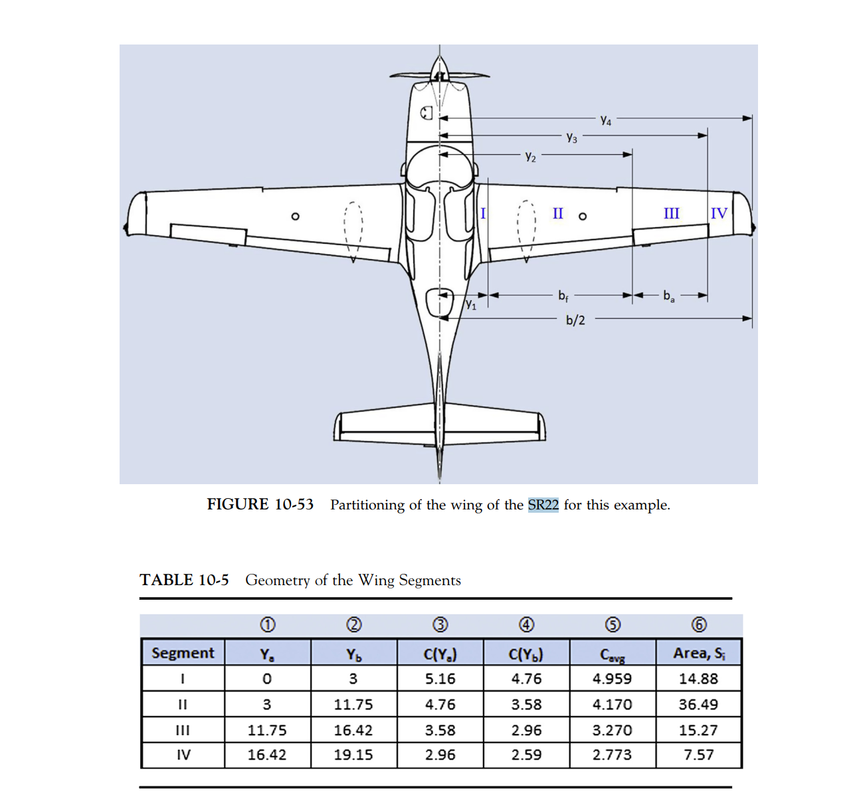
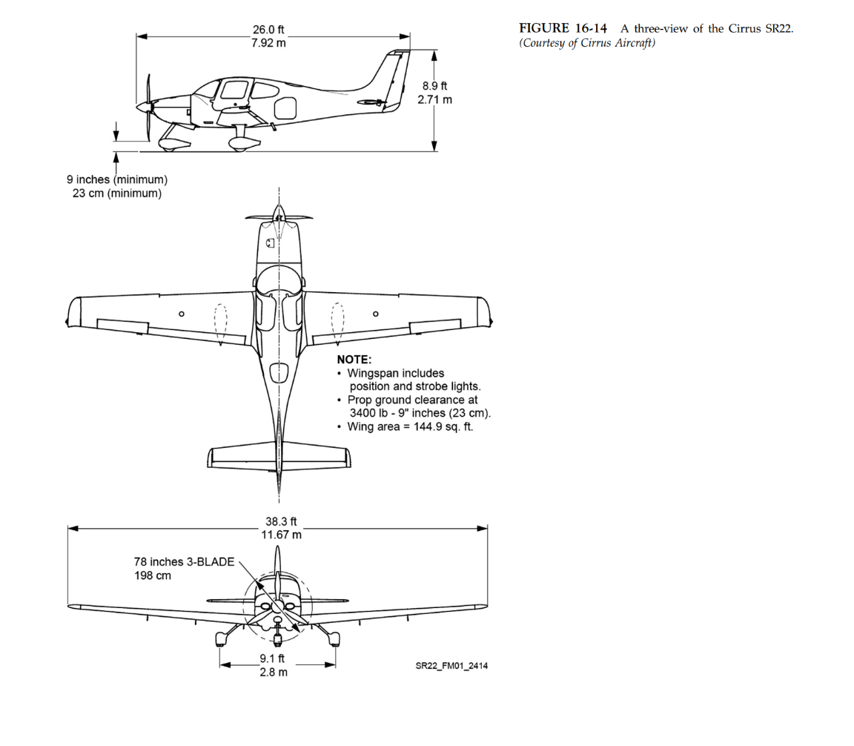
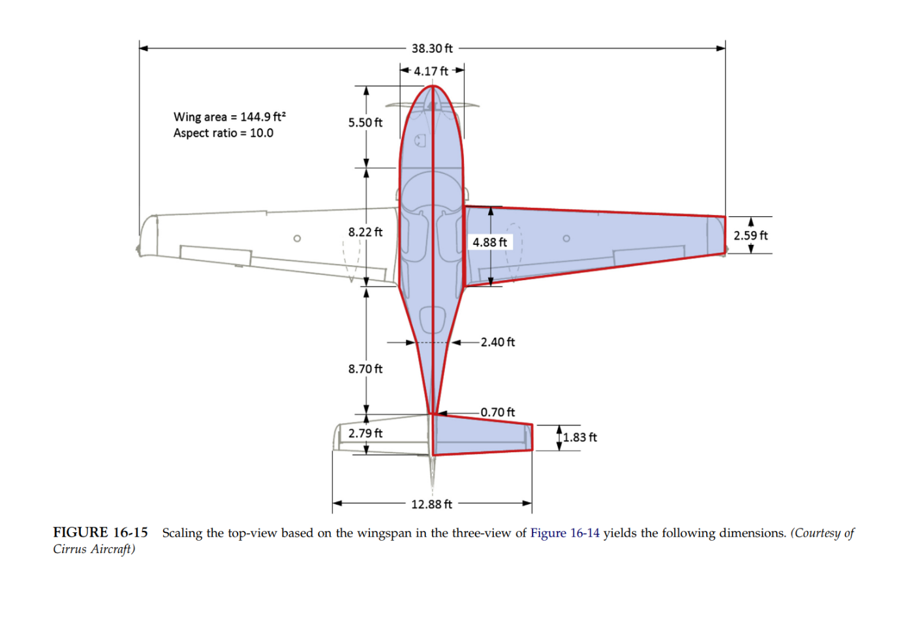
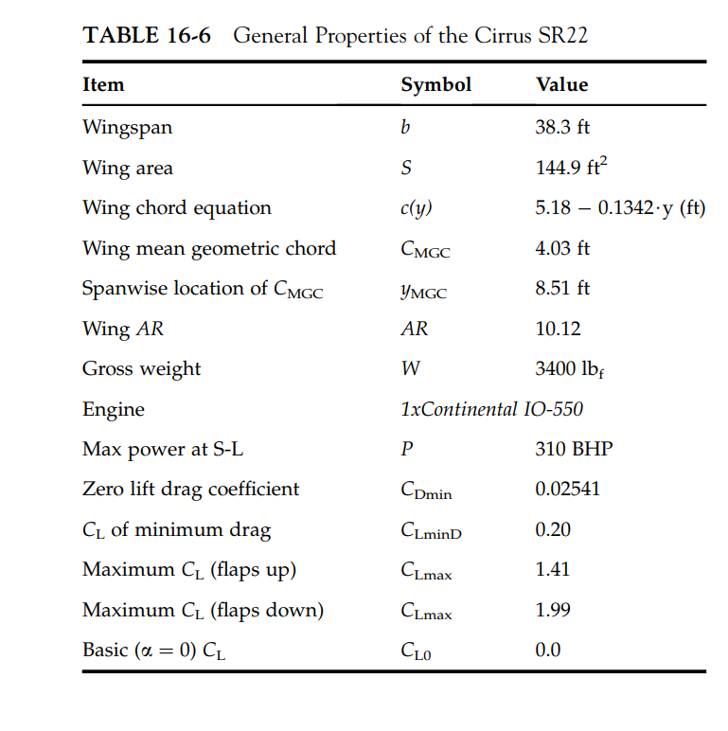
GW (lb) | lh (ft)
3400

Wing Span (ft) | Wing Area (ft^2) | AR | Cr (ft) | Ct (ft) | lambda | Cmgc (ft)
38.3 | 144.9 | 10.12 | 4.88 | 2.59 | 0.53 | 4.03

Tailspan (ft) | Tail Area (ft^2) | Tail AR | Tail Cr (ft) | Tail Ct (ft) | lambda | Tail Cmac (ft)
12.88 | 29.75 | 5.58 | 2.79 | 1.83 | 0.66 | 2.34

